Expense types (List)
BACK
TRANSLATIONS
 |  | HOMEWORK 1 |EXPENSE TYPES LIST
Please define expense/receipt type list from which the user would select in order to claim his expenses. You can either keep the default list or you can add/edit the list by adding/deleting them. To translate them in other languages then English please click on Translations button
 |  | Receipt Type Name | Are there any rules? | Please describe the rule/s per each receipt type | Warning message Translation (please define English translation in here and if more translations are needed, please fill it in Translations sheet ----------EN----------- *supported only EN,FR,DE, SP, SE, DK, JP | Blocking message Translation (please define English translation in here and if more translations are needed, please fill it in Translations sheet ----------EN----------- *supported only EN,FR,DE, SP, SE, DK, JP | Are there any specific cost center per receipt type which is different from user profile level? If Yes, please specify it. |  | Receipt type list UI example
 |  | Hotel breakfast | no

 |  | Hotel accommodation | no
 |  | Flight Ticket | no
 |  | Conference or Seminar fee Hotel | no
 | Yes | Bus. Travel:Business entertainment - External | no | Not exceed 120 GBP per person | For mixed participation (AGCS staff and externals) the following caps apply to ALL participants: GBP 120 and above per person require Board Member approval. Less than GBP 120 can be approved locally by the line manager, but for local and Regional CEOs it can be validated by HR or approved by the relevant AGCS SE Board Member - AGCS Functional Rule on Global Travel Regulations |  |  | 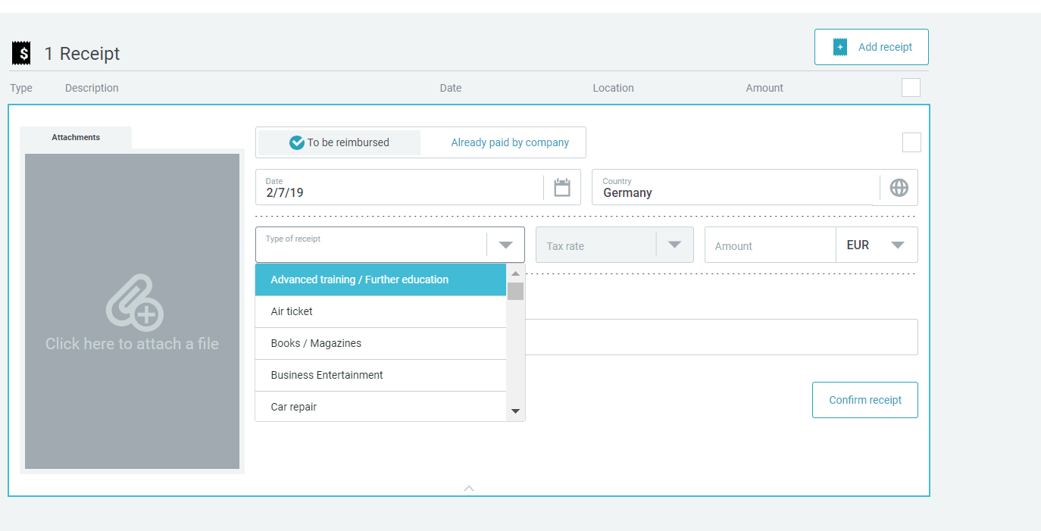
 |  | Bus. Travel:Business entertainment - Internal | no | Not exceed 95 GBP | AGCS Functional Rule on Global Travel Regulations
 | Yes | Non-travel:Entertainment AGCS UK employees | no | Not exceed 95 GBP per person
 | Yes | Non-travel:Business entertainment - External | no | Not exceed 120 GBP per person
 |  | Taxi (for routes up to 50 km) | no
 |  | Taxi (for routes over 50 km) | no
 |  | Car rental | no
 |  | Public transport (trains, underground, bus, etc.) | no
 |  | Flight expenses - Rebooking fees (exceptional cases) | no

 |  | Business hospitality and gifts | yes | CAP of 125 GBP
 |  | Car rental - fuel | No
 |  | Other travel costs - Visa, etc. | no | Visas, baggage fees, parking fees and tolls | Visas, baggage fees, parking fees and tolls
 |  | Credit Card Fee (transaction cost) | No
 |  | Non-Travel: Entertainment non-UK AGCS employee or Allianz entities | no | Not exceed 95 GBP per person

 |  | Breakfast | no | Not exceed 95 GBP per person (internal); Not exceed 120 GBP per person (external)
 |  | Lunch | no | Not exceed 95 GBP per person (internal); Not exceed 120 GBP per person (external)
 |  | Dinner | no | Not exceed 95 GBP per person (internal); Not exceed 120 GBP per person (external)
 |  | Laundry | yes | only reimbursed over 10 days business trip

 |  | Incidental travel costs | no

 |  | Customer to provide non-travel receipts
 |  | Training and development | no
 |  | IT and telephony maintenance | no
 |  | Office based telephony charges | no
 |  | Other communication charges | no
 |  | Office computer consumables | no
 |  | Internet expenses | no
 |  | Energy expenses | no
 |  | Building repair and maintenance | no
 |  | Office cleaning services | no
 |  | Calendars and promotional items | no
 |  | Printing and reproduction | no
 |  | Public relations | no
 |  | Other marketing expenses | no
 |  | Charitable donations - Contributions to non-profit org. | no | Pre-approval required | Donations above EUR 500 must be approved in advance by the Global Head of Communications. Donations above EUR 20,000 in addition require approval by the AGCS Board of Management.
 |  | Business related subscriptions | no
 |  | Office consumables | no
 |  | Office stationary supplies | no
 |  | Publications and literature | no
 |  | Postage and shipping charges | no
 |  | Operational insurance premium | no
 |  | Other professional fees | no
 |  | Office catering and facilities | no
 |  | Staff memberships and subs. | no
 |  | Staff non-cash incentives | no | Pre-approval required | Internal Gifts may only be provided for a special occasion (e.g. new baby, retirement, wedding, long service award). Gifts with a value ≤ EUR 100 have to be pre-approved by the Line Manager. Gifts with a value > EUR 100 and ≤ EUR 500 have to be pre-approved by the respective Board Member. Gifts with a value > EUR 500 have to be pre-approved by either the AGCS SE CEO or COO
 |  | Non charitable memberships and subscriptions | no
 |  | Medical fees | no

VAT (List)
BACK
TRANSLATIONS
 |  | HOMEWORK 2 |VAT LIST

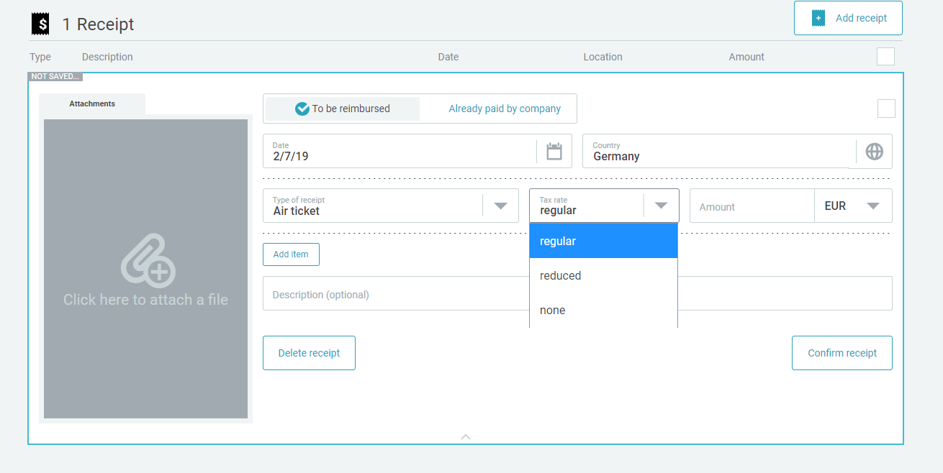
Country | VAT Rate | VAT Code | VAT Label | EN Label (Example) | VAT tax rates UI
GB | 0 | I0 | 0% or overseas
GB | 20 | WD | UK VAT only

Expense types (VAT)
BACK
 | HOMEWORK 3 |EXPENSE TYPES -VAT

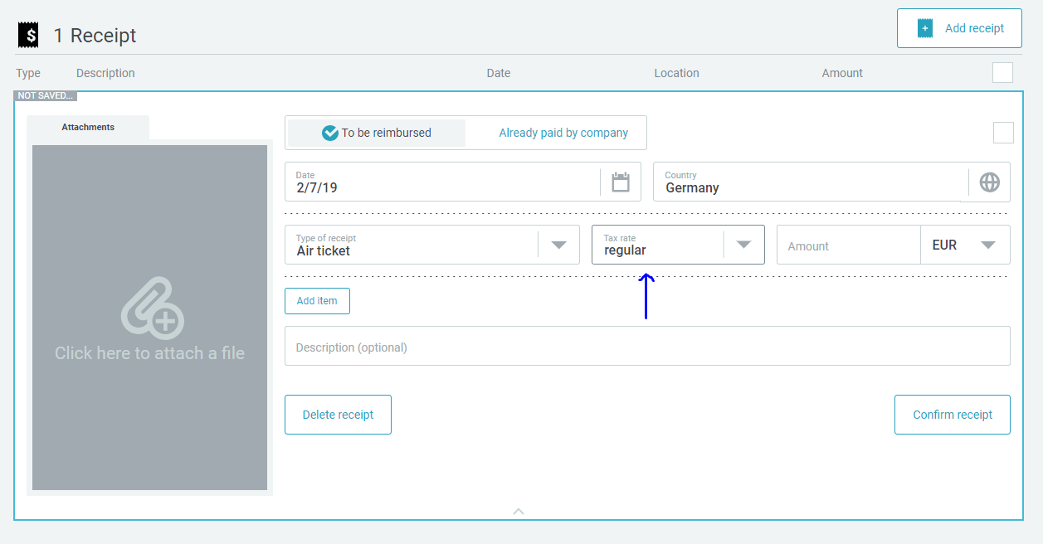
Receipt Type Name | VAT Domestic-Default | VAT Domestic - Values Available | Specify country- Default | Specify country- Available | Receipt type list default value
Hotel breakfast | 20 | 0,20 | 0 | 0
 | 20 | 0,20 | 0 | 0
Hotel accommodation | 20 | 0,20 | 0 | 0
Flight Ticket | 20 | 0,20 | 0 | 0
Conference or Seminar fee Hotel | 20 | 0,20 | 0 | 0
Bus. Travel:Business entertainment - External | 20 | 0,20 | 0 | 0
Bus. Travel:Business entertainment - Internal | 20 | 0,20 | 0 | 0
Non-travel:Entertainment AGCS UK employees | 20 | 0,20 | 0 | 0
Non-travel:Business entertainment - External | 20 | 0,20 | 0 | 0
Taxi (for routes up to 50 km) | 20 | 0,20 | 0 | 0
Taxi (for routes over 50 km) | 20 | 0,20 | 0 | 0
Car rental | 20 | 0,20 | 0 | 0
Public transport (trains, underground, bus, etc.) | 20 | 0,20 | 0 | 0
Flight expenses - Rebooking fees (exceptional cases) | 20 | 0,20 | 0 | 0
 | 20 | 0,20 | 0 | 0
Business hospitality and gifts | 20 | 0,20 | 0 | 0
Car rental - fuel | 20 | 0,20 | 0 | 0
Other travel costs - Visa, etc. | 20 | 0,20 | 0 | 0
Credit Card Fee (transaction cost) | 20 | 0,20 | 0 | 0
Non-Travel: Entertainment non-UK AGCS employee or Allianz entities | 20 | 0,20 | 0 | 0
 | 20 | 0,20 | 0 | 0
Breakfast | 20 | 0,20 | 0 | 0 | Receipt type list values available
Lunch | 20 | 0,20 | 0 | 0
Dinner | 20 | 0,20 | 0 | 0
Laundry | 20 | 0,20 | 0 | 0
 | 20 | 0,20 | 0 | 0
 | 20 | 0,20 | 0 | 0
Incidental travel costs | 20 | 0,20 | 0 | 0
 | 20 | 0,20 | 0 | 0

Training and development | 20 | 0,20 | 0 | 0
IT and telephony maintenance | 20 | 0,20 | 0 | 0
Office based telephony charges | 20 | 0,20 | 0 | 0
Other communication charges | 20 | 0,20 | 0 | 0
Office computer consumables | 20 | 0,20 | 0 | 0
Internet expenses | 20 | 0,20 | 0 | 0
Energy expenses | 20 | 0,20 | 0 | 0
Building repair and maintenance | 20 | 0,20 | 0 | 0
Office cleaning services | 20 | 0,20 | 0 | 0
Calendars and promotional items | 20 | 0,20 | 0 | 0
Printing and reproduction | 20 | 0,20 | 0 | 0
Public relations | 20 | 0,20 | 0 | 0
Other marketing expenses | 20 | 0,20 | 0 | 0
Charitable donations - Contributions to non-profit org. | 20 | 0,20 | 0 | 0
Business related subscriptions | 20 | 0,20 | 0 | 0
Office consumables | 20 | 0,20 | 0 | 0
Office stationary supplies | 20 | 0,20 | 0 | 0
Publications and literature | 20 | 0,20 | 0 | 0
Postage and shipping charges | 20 | 0,20 | 0 | 0
Operational insurance premium | 20 | 0,20 | 0 | 0
Other professional fees | 20 | 0,20 | 0 | 0
Office catering and facilities | 20 | 0,20 | 0 | 0
Staff memberships and subs. | 20 | 0,20 | 0 | 0
Staff non-cash incentives | 20 | 0,20 | 0 | 0
Non charitable memberships and subscriptions
Medical fees

Expense types (Accounting)
BACK
HOMEWORK 4 | EXPENSE TYPES - ACCOUNTING

Receipt Type Name | Domestic GL Account | Debit Posting Key2 | Credit Posting Key3 | ABBREVIATION CODES
Hotel breakfast | 7870012004 | 40 | 50 | HOTBR

Hotel accommodation | 7870012004 | 40 | 50 | HOTAC
Flight Ticket | 7870012001 | 40 | 50 | FLIGT
Conference or Seminar fee Hotel | 7870012004 | 40 | 50 | CONHO
Bus. Travel:Business entertainment - External | 7870004006 | 40 | 50 | ENTEX
Non-travel:Entertainment AGCS UK employees | 7870011020 | 40 | 50 | ENTIN
Non-travel:Business entertainment - External | 7870011020 | 40 | 50 | ENTUK
Taxi (for routes up to 50 km) | 7870012001 | 40 | 50 | TAXIK
Taxi (for routes over 50 km) | 7870012001 | 40 | 50 | TAXKM
Car rental | 7870012001 | 40 | 50 | CARRE
Public transport (trains, underground, bus, etc.) | 7870012001 | 40 | 50 | PUBTR
Flight expenses - Rebooking fees (exceptional cases) | 7870012001 | 40 | 50 | FLFEE
 |  | 40 | 50
Business hospitality and gifts | 7870004006 | 40 | 50 | HOSPU
Car rental - fuel | 7870012001 | 40 | 50 | CARFU
Other travel costs - Visa, etc. | 7870012003 | 40 | 50 | OTHTR
Credit Card Fee (transaction cost) | 7870012003 | 40 | 50 | CCFEE
Non-Travel: Entertainment non-UK AGCS employee or Allianz entities | 7870004006 | 40 | 50 | ENOIN
 |  | 40 | 50
Breakfast | 7870012004 | 40 | 50 | BREAK
Lunch | 7870012004 | 40 | 50 | LUNCH
Dinner | 7870012004 | 40 | 50 | DINNE
Laundry | 7870012003 | 40 | 50 | LAUND
 |  | 40 | 50
 |  | 40 | 50
Incidental travel costs | 7870012003 | 40 | 50 | INCCO
 |  | 40 | 50

Training and development | 7812001001 | 40 | 50 | TRADE
IT and telephony maintenance | 7821004001 | 40 | 50 | ITTEL
Office based telephony charges | 7823002001 | 40 | 50 | OFTEL
Other communication charges | 7870025001 | 40 | 50 | OTHCO
Office computer consumables | 7825001001 | 40 | 50 | OFFCM
Internet expenses | 7825007001 | 40 | 50 | INTEX
Energy expenses | 7832001001 | 40 | 50 | ENEEX
Building repair and maintenance | 7832002002 | 40 | 50 | REPAU
Office cleaning services | 7832003003 | 40 | 50 | OFFCL
Calendars and promotional items | 7860005005 | 40 | 50 | CAPRO
Printing and reproduction | 7860006001 | 40 | 50 | PRIRE
='Expense types (C43List)'!C52 | 7860007004 | 40 | 50 | PUBRE
Other marketing expenses | 7860008004 | 40 | 50 | MAREX
Charitable donations - Contributions to non-profit org. | 7860013001 | 40 | 50 | CHARI
Business related subscriptions | 7860011001 | 40 | 50 | BUSSU
Office consumables | 7870003001 | 40 | 50 | OFFCO
Office stationary supplies | 7870003002 | 40 | 50 | OFFST
Publications and literature | 7870003003 | 40 | 50 | PUBLI
Postage and shipping charges | 7870003004 | 40 | 50 | POSTC
Operational insurance premium | 7870011003 | 40 | 50 | INSPR
Other professional fees | 7870011004 | 40 | 50 | PROFE
Office catering and facilities | 7881166001 | 40 | 50 | CATER
Staff memberships and subs. | 7811103001 | 40 | 50 | MEMBE
Staff non-cash incentives | 7870011020 | 40 | 50 | STAIN
Non charitable memberships and subscriptions | 7860011001 | 40 | 50 | NONCH
Medical fees | 7811202025 | 40 | 50 | MEDFE

Meal &Mileage Allowances
BACK
 |  | HOMEWORK 5|ALLOWANCE & MILEAGE
Please specify the customer specific requirements in case you chose this as allowance and/or mileage scheme

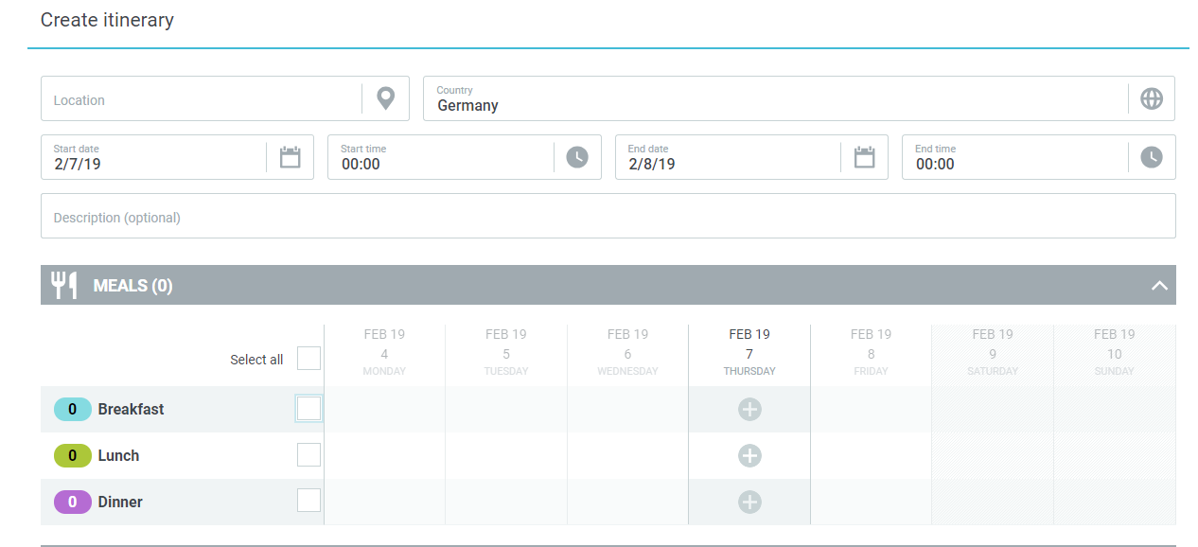
1. ALLOWANCE & DEDUCTIONS
 |  | DEDUCTIONS |  |  |  |  |  |  |  | Meal section in UI
 |  | Meal Type | Meal Type Translation | Absolute deduction (fixed amount) | Relative deduction (%) | Validation Rules

 |  | CUSTOMER SPECIFIC
Not applicable in case of legal scheme

 |  | No per diems for domestic and international travel, meal deductions sections to be hidden.

 | 2.MILEAGE
 |  | VEHICLE TYPE USAGE |  |  |  |  |  | Mileage section in UI
A personal car configuration is created when employees use their own car for business purposes and are reimbursed for items such as maintenance, gas, and mileage as defined by the company, or are given a flat rate per mile traveled to cover car expenses.

Please specify the vehicle type |  |  | Both
 |  |  |  | Branch car drivers mileage | 7811102002
Which type of reimbursement would you like to enable? |  |  | Variable Rate | Staff private car mileage | 7870011020
 |  |  |  | Electric car | 7870011020
Is attachment mandatory for mileage? |  |  | Yes

 |  | CUSTOMER SPECIFIC
Not applicable in case of legal scheme

 |  | Private car mileage is reimbursed in line with Inland Revenue guidelines at 45 pence per mile(up to 10K miles per tax year), thereafter at 25 pence per mile. Private Electric cars are reimbursed as in the table below. Company Cars are reimbursed as in the table below.

 | Rates
 | Type of vehicle | Type of vehicle translation () | Single rate | Variable rate ( cumulative mileage)
 | Private car |  | 0.45 | 0.25 (after 10k miles per tax year)
 | Company Car Petrol 1400 cc or less |  | 12p |  | Engine Size | Petrol | LPG | Diesel
 | Company Car Petrol 1401-2000 cc |  | 14p |  | 1400cc or less | 12p | 8p | 9p
 | Company Car Petrol over 2000 cc |  | 21p |  | 1401cc to 2000cc | 14p | 9p | 11p
 | Company Car Diesel 1400 cc or less |  | 9p |  | Over 2000cc | 21p |  | 14p
 | Company Car Diesel 1401 -2000 cc |  | 11p
 | Company Car Diesel over 2000 cc |  | 14p |  | Engine Size | Electric / Hybrid
 | Company Car LPG 1400 cc or less |  | 8p |  | Fully Electric | 4p
 | Company Car LPG 1401-2000 cc |  | 9p |  | Hybrid | As Petrol or Diesel
 | Private Electric car |  | 4p

 | 3.ACCOMODATION RATE |  |  |  |  |  |  |  | Accomodation section in UI
 |  | Accomodation Type | Rate Domestic | Rate Foreign | Validation Rules
 |  | Stay with Family or Friends | £35 | N/A | Maximum of £35 Per Night

 |  | CUSTOMER SPECIFIC
**In case of customer specific only, we should receive a file as in the example below for per diem and/or accomodation rate, but please be aware that this is just an example and you need to update each column with the information applicable to your company's policies. This amount should be in local currency OR in 1 currency (customer's currency for example) for all values below

Wage types (HR data)
BACK
BACK
 | HOMEWORK 6 | WAGE TYPES - HR DATA
This only applies if customer overpays the allowances. Please disregard this sheet if not applicable to your company
 | OUT OF SCOPE
 | Receipt Type Name | Booking text | Wage type number | Personal Identifier
 | Mileage allowance
 | Accomodation
 | Meal allowance
 | Meal deduction fixed
 | Meal deduction relative

Information below required only if the customer does not work with Conovum/other third-party interface

Please specify the format of the export for the HR system |  | Other |  | If Other | IDOC

Please fill in below the format data that should be sent in this file, colum names & column content

 | Column1 | Column2 | Column3 | Column4 | Column5 | Column6 | Column7 | Column8 | Column9

Validation Rules
BACK
 |  |  |  |  | HOMEWORK 7 | CUSTOM VALIDATION RULES - VALIDATORS & CALCULATORS
Validators and calculators are extra customized rules which can give a specific behavior. Please select if to activate the validators or calculators from the ACTIVATE panel and fill in parameters such as : Receipt type scope (list of values), Text message to be displayed, some other parameters if available and Remarks if any.
Legend:
Custom - not standard in Cytric expense, but implemented for other customers
Validators - Validation rules such as warnings, spend limits, etc.
Calculators - Customized calculation logics
* - double effort implementation

1. EXPENSE VALIDATION RULES

1
 |  | ACTIVATE?
 | STATEMENT LEVEL | Yes | Expense Approval
 |  | No |  | Definition |  | Checks if arranger or recipient equals approver and returns a validation error.
 |  | No |  | Parameters
 |  |  |  |  | Receipt type Scope |  | All receipt types | Specify here
 |  |  |  |  | Remarks
 |  | ACTIVATE?
 | STATEMENT LEVEL | No | Expense Arranger
1
 |  |  |  | Definition |  | Checks if arranger doesn't equal recipient and returns a validation error.
 |  |  |  | Parameters
 |  |  |  |  | Receipt type Scope |  | All receipt types | Specify here
 |  |  |  |  | Remarks
 |  | ACTIVATE?
 | STATEMENT LEVEL | No | Expense Audit
1
 |  |  |  | Definition |  | Checks if arranger, recipient or approver equals auditor and returns a validation error
 |  |  |  | Parameters
 |  |  |  |  | Receipt type Scope |  | All receipt types | Specify here
 |  |  |  |  | Remarks
 |  | ACTIVATE?
 | RECEIPT TYPE LEVEL | No | Accommodation Receipts
1
 |  |  |  | Definition |  | This validator is used to check if a user has added a certain receipt to an accomodation. Fails if there doesn't exist a receipt to its accomodation within an itinerary step.
 |  |  |  | Parameters
 |  |  |  |  | Receipt type Scope |  | Only specific receipt types (please specify) | Hotel only! Missing receipt form should be uploaded if accomodation receipt isnt available
 |  |  |  |  | Remarks
 |  | ACTIVATE?
 | RECEIPT TYPE LEVEL | Yes | Attachment Mandatory |  |  |  |  | (example on the right of the page) | Example of mandatory attachment rule in the UI
1
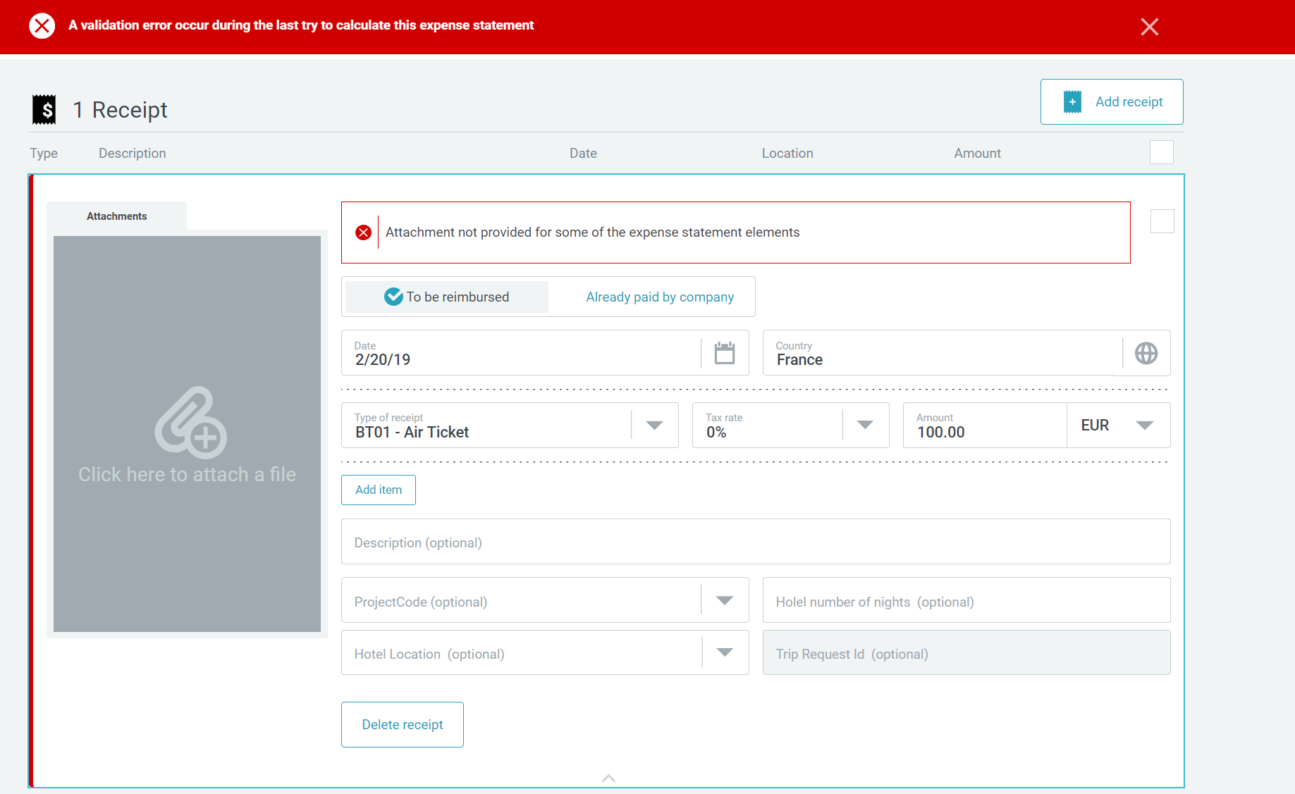
 |  |  |  | Definition |  | Attachment mandatory for a certain receipt type
 |  |  |  | Parameters
 |  |  |  |  | Receipt type Scope |  | All receipt types | Specify here
 |  |  |  |  | Remarks
 |  | ACTIVATE?
 | RECEIPT TYPE LEVEL | Yes | Receipts Description Mandatory
1
 |  |  |  | Definition |  | If there isn't any description defined a validation error will be thrown.
 |  |  |  | Parameters
 |  |  |  |  | Receipt type Scope |  | All receipt types | Specify here
 |  |  |  |  | Remarks
 |  | ACTIVATE?
 | RECEIPT TYPE LEVEL | No | Fixed Receipt Reimbursement Limit
1
 |  |  |  | Definition |  | Alert if a receipt amount exceeds a pre-defined limit for the receipts needed. 2 options of how it can be implemented : either give a warning or cap it
 |  |  |  | Parameters
 |  |  |  |  | Limit
 |  |  |  |  | Receipt type Scope |  |  | Specify here
 |  |  |  |  | Remarks
 |  | ACTIVATE?
 | RECEIPT TYPE LEVEL | No | Receipt Date Validator
1
 |  |  |  | Definition |  | Certain receipt types can be added until a given date. Receipts on a future date will throw a validation error. For the receipt date validator you have to specify the receipt types, the limitation date and the associated date format.
 |  |  |  | Parameters
 |  |  |  |  | Format date
 |  |  |  |  | Limit date
 |  |  |  |  | Receipt type Scope |  |  | Specify here
 |  |  |  |  | Remarks
 |  | ACTIVATE?
 | RECEIPT TYPE LEVEL | Yes | Similar Receipts
1
 |  |  |  | Definition |  | Compares receipts based on their price, date or type. If there exist similar receipts the validator returns an error.
 |  |  |  | Parameters
 |  |  |  |  | Receipt type Scope |  |  | Specify here
 |  |  |  |  | Remarks
 |  | ACTIVATE?
 | RECEIPT TYPE LEVEL | Yes | Trip Duration Condition on Receipt Type*
1
 |  |  |  | Definition |  | The receipt type is only accepted based on trip days period
 |  |  |  | Parameters
 |  |  |  |  | Trip minimum days |  | 10
 |  |  |  |  | Receipt type Scope |  | Only specific receipt types (please specify) | Laundry
 |  |  |  |  | Remarks
 |  | ACTIVATE?
 | STATEMENT LEVEL | No | Verification of Travel and Expense Trip Purpose*
1
 |  |  |  | Definition |  | If not matching, an error will occur
 |  |  |  | Parameters
 |  |  |  |  | Receipt type Scope |  |  | Specify here
 |  |  |  |  | Remarks
 |  | ACTIVATE?
 | RECEIPT TYPE LEVEL | No | Cap Amount on Enterntainment*
1
 |  |  |  | Definition |  | Limited amount on tip and/or per participant. 2 options of how it can be implemented : either give a warning or cap it
 |  |  |  | Parameters
 |  |  |  |  | Receipt type Scope |  |  | Specify here
 |  |  |  |  | Remarks
 |  | ACTIVATE?
 | RECEIPT TYPE LEVEL | No | Cap Amount by percentage*
1
 |  |  |  | Definition |  | Limit amount based on percentage of the receipt amount
 |  |  |  | Parameters
 |  |  |  |  | Percentage limit
 |  |  |  |  | Receipt type Scope |  |  | For exchange rate diff.
 |  |  |  |  | Remarks
 |  | ACTIVATE?
 | RECEIPT TYPE LEVEL | No | Cap Amount per receipt type and FDF value*
1
 |  |  |  | Definition |  | Cap amount on certain receipt types is validated based on the value set at the traveler level (FDF).
 |  |  |  | Parameters
 |  |  |  |  | Amount limit
 |  |  |  |  | FDF
 |  |  |  |  | Receipt type Scope |  |  | Specify here
 |  |  |  |  | Remarks
 |  | ACTIVATE?
 | RECEIPT TYPE LEVEL | No | Force 'Paid by Company'*
1
 |  |  |  | Definition |  | Certain types of receipts are forced to be 'paid by company.'
 |  |  |  | Parameters
 |  |  |  |  | Receipt type Scope |  |  | Specify here
 |  |  |  |  | Remarks
 |  | ACTIVATE?
 |  | No | Checkbox validation*
1
 | STATEMENT LEVEL | No |  | Definition |  | A checkbox can be added for different reasons and check if is ticked. If not ticked, an error will be shown
 | RECEIP TYPE LEVEL | No |  | Parameters
 |  |  |  |  | Checkbox message
 |  |  |  |  | Receipt type Scope |  |  | Specify here
 |  |  |  |  | Remarks
 |  | ACTIVATE?
 | RECEIPT TYPE LEVEL | Yes | Warning on missing receipt declaration*
1
 |  |  |  | Definition |  | A greyed notification field will display a warning message when the missing receipt checkbox is ticked
 |  |  |  | Parameters
 |  |  |  |  | Checkbox message
 |  |  |  |  | Receipt type Scope |  |  | Specify here
 |  |  |  |  | Remarks
 |  | ACTIVATE?
 | RECEIPT TYPE LEVEL | No | Limit receipt type amount in case of missing receipt declaration*
1
 |  |  |  | Definition |  | A greyed notification field will display a warning message when the missing receipt checkbox is ticked
 |  |  |  | Parameters
 |  |  |  |  | Checkbox message
 |  |  |  |  | Receipt type Scope |  |  | Specify here
 |  |  |  |  | Remarks

2. EXPENSE CALCULATOR RULES
 |  | ACTIVATE?
 |  | Yes | Alter Receipt Exchange Rate
1
 |  |  |  | Definition |  | Calculates and sets the exchange rate to a certain value which depends on the percentage property.
 |  |  |  | Parameters
 |  |  |  |  | Percentage |  | 0%
 |  |  |  |  | Remarks
 |  | ACTIVATE?
 |  | No | Apply Daily Reimbursement Limit
1
 |  |  |  | Definition |  | Iterates over receipts and sets the reimbursement limit for the given receipt types.
 |  |  |  | Parameters
 |  |  |  |  | Receipt type Scope |  |  | Specify here
 |  |  |  |  | Remarks
 |  | ACTIVATE?
 |  | No | Generate Daily Meal Allowance Limit
1
 |  |  |  | Definition |  | Generates the allowed daily reimbursement for meals.
 |  |  |  | Parameters
 |  |  |  |  | Limit
 |  |  |  |  | Remarks
 |  | ACTIVATE?
 |  | No | Generate Daily Reimbursement Limit
1
 |  |  |  | Definition |  | Generates the daily reimbursement limit.
 |  |  |  | Parameters
 |  |  |  |  | Limit
 |  |  |  |  | Remarks
 |  | ACTIVATE?
 |  | Yes | Trip Amount Change Alert
1
 |  |  |  | Definition |  | Alert if the trip amount was changed in the expense receipt after the trip

 |  |  |  |  | Remarks

Translations
BACK
 |  | HOMEWORK 11 | TRANSLATIONS
Don't change the first column, just add the necessary translations : rename existing columns to the languages that you need and feel free to add more columns

 | Section and Original label in EN | de_DE | fr_FR | jp_JP

Free data fields
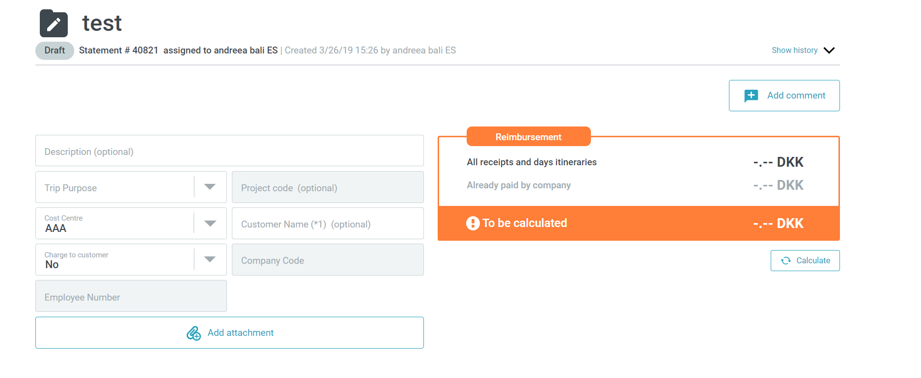
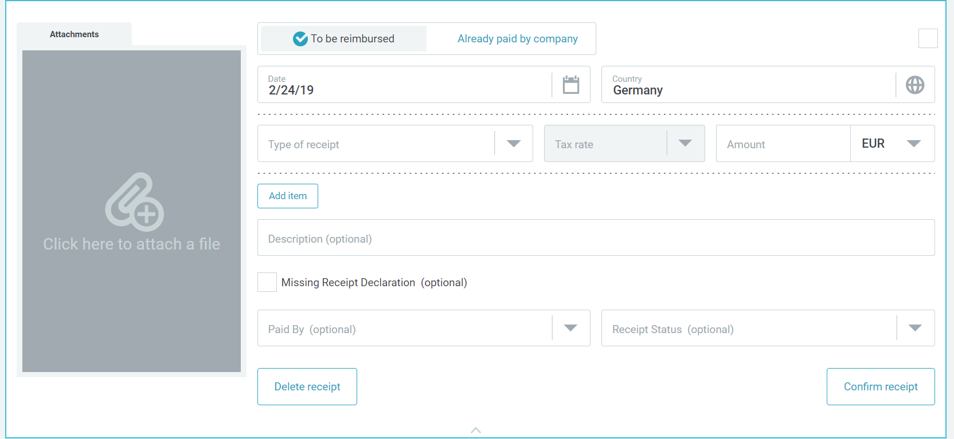
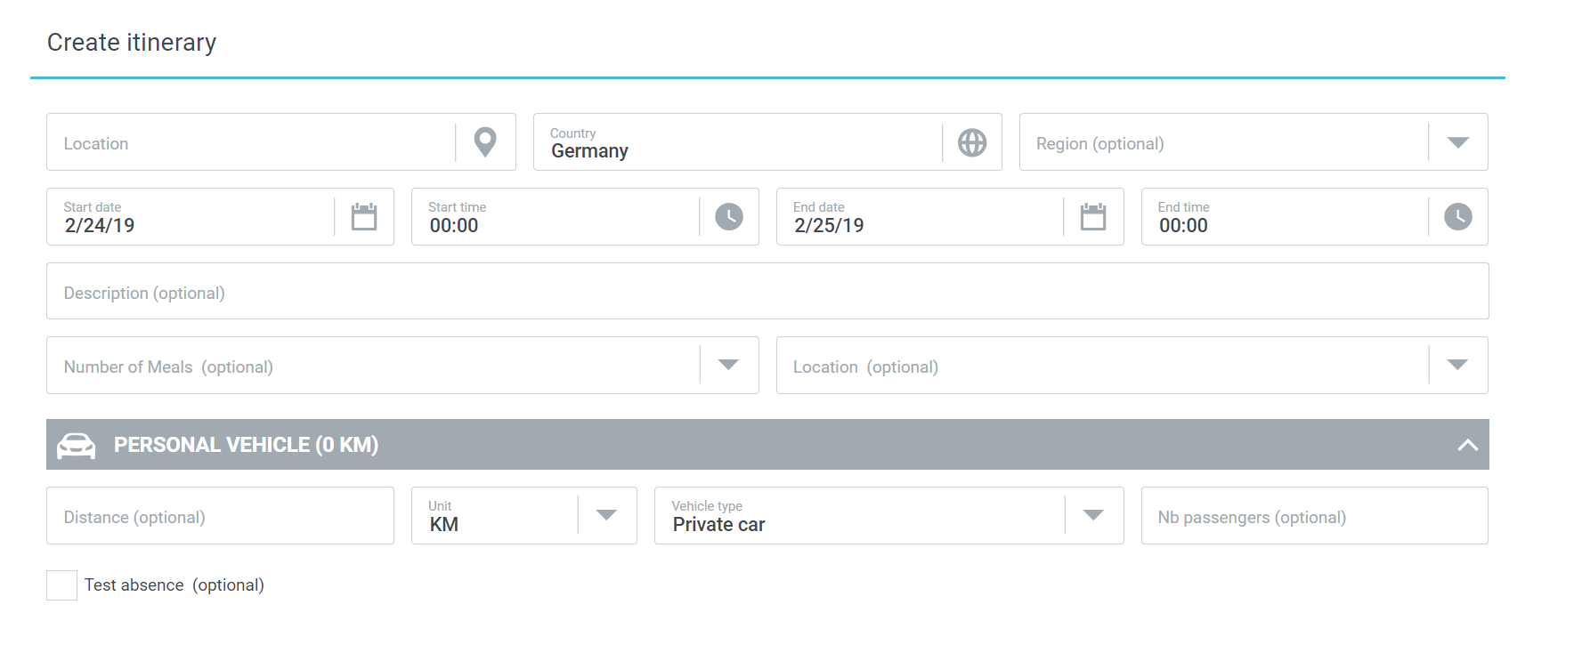
BACK
 |  | HOMEWORK 8 |FREE DATA FIELDS
Please fill in the needed custom fields. The first line is just an example. Some columns have already pre-defined values from where you have to select from. Insert rows if needed for more data before the screenshots examples
FDF Name | FDF Translation (specify language) | FDF type | Values if FDF type =List | Mandatory | Read only | Origin | Position in UI | View roles | Edit roles | Where will appear
Cost center |  | List |  | Yes | No | Booking |  | Traveller/Arranger/Auditor/Approver/Accountant/Administrator | Traveller/Arranger | UI, PDF report, Export file
Project Code |  | Text |  | Yes | Yes | User profile |  | Traveller/Arranger/Auditor/Approver/Accountant/Administrator | Traveller/Arranger | UI, PDF report, Export file
Employee number |  | Text |  | Yes | Yes | User profile |  | Traveller/Arranger/Auditor/Approver/Accountant/Administrator | Traveller/Arranger | UI, PDF report, Export file
Trip Purpose |  | Text |  | Yes | No | Booking |  | Traveller/Arranger/Auditor/Approver/Accountant/Administrator | Traveller/Arranger | UI, PDF report, Export file

Example of FDF based on its position in the UI
Expense statement level FDF - Text |  |  |  |  | Receipt type level FDF - List |  |  |  | Itinerary step level FDF - Check box

Export & PDF
BACK
 |  | HOMEWORK 9 | EXPORT & PDF
1. EXPORT FILE
EXPORT FILE FORMAT

 | 1 | The file is delivered as: | CUSTOM XML
 | 2 | The columns are limited by: | Column length | If separator | Tab
 | 3 | The date format used is: | MMDDYY
 | 4 | The decimal separator used is: | Dot(.)
 | 5 | Character encoding: | UTF-8

EXPORT DELIVERY FORMAT

 | 1 | The files are grouped and delivered as: | ZIP
 | 2 | The zip file can contain: | Multiple expense statements
 | 3 | The zip file reference has the following format : Expense statement ID + customizable part: | Please specify

EXPORT DELIVERY METHOD

 | 1 | Delivery method: | Manual download & pick-up from SFTP
 | 2 | SFTP delivery on: | Amadeus server
 | 3 | If transmission from Amadeus server ( automated PULL process),the connection will get intiated from the following static IP address: | Please specify
 | 4 | If the connection is established on the customer's side (transmission in a SFTP directory from customer- PUSH process), to ensure the connection we need the following information: - User -Password -IP address -Port/Index -Directory ! To do on Customer's side : arrange a clearing of firewall for Amadeus cytric system IP: 194.116.128.4 | Please specify
 | 5 | PDF expense statement file transfer via SFTP | yes
 | 6 | Receipt attachment transfer via SFTP | yes
 | 7 | Reporting | yes

EXPORT FILE DELIVERY FREQUENCY

 | 1 | Export Files can be delivered at an agreed frequency or manually. The chosen frequency is: | Daily | Please specify if otherwise
 | 2 | Export Files can be delivered at a certain time (a.m/p.m) based on the frequency chosen above: | 3pm, 9am

1. PDF EXPENSE REPORT
Please insert your company's logo

Below an example of PDF expense report. The part highlighted in blue is the part which can be customizable, either add/remove data information fields as shown in the example: |  |  |  |  | Please specify below the fields that should be available in your PDF:

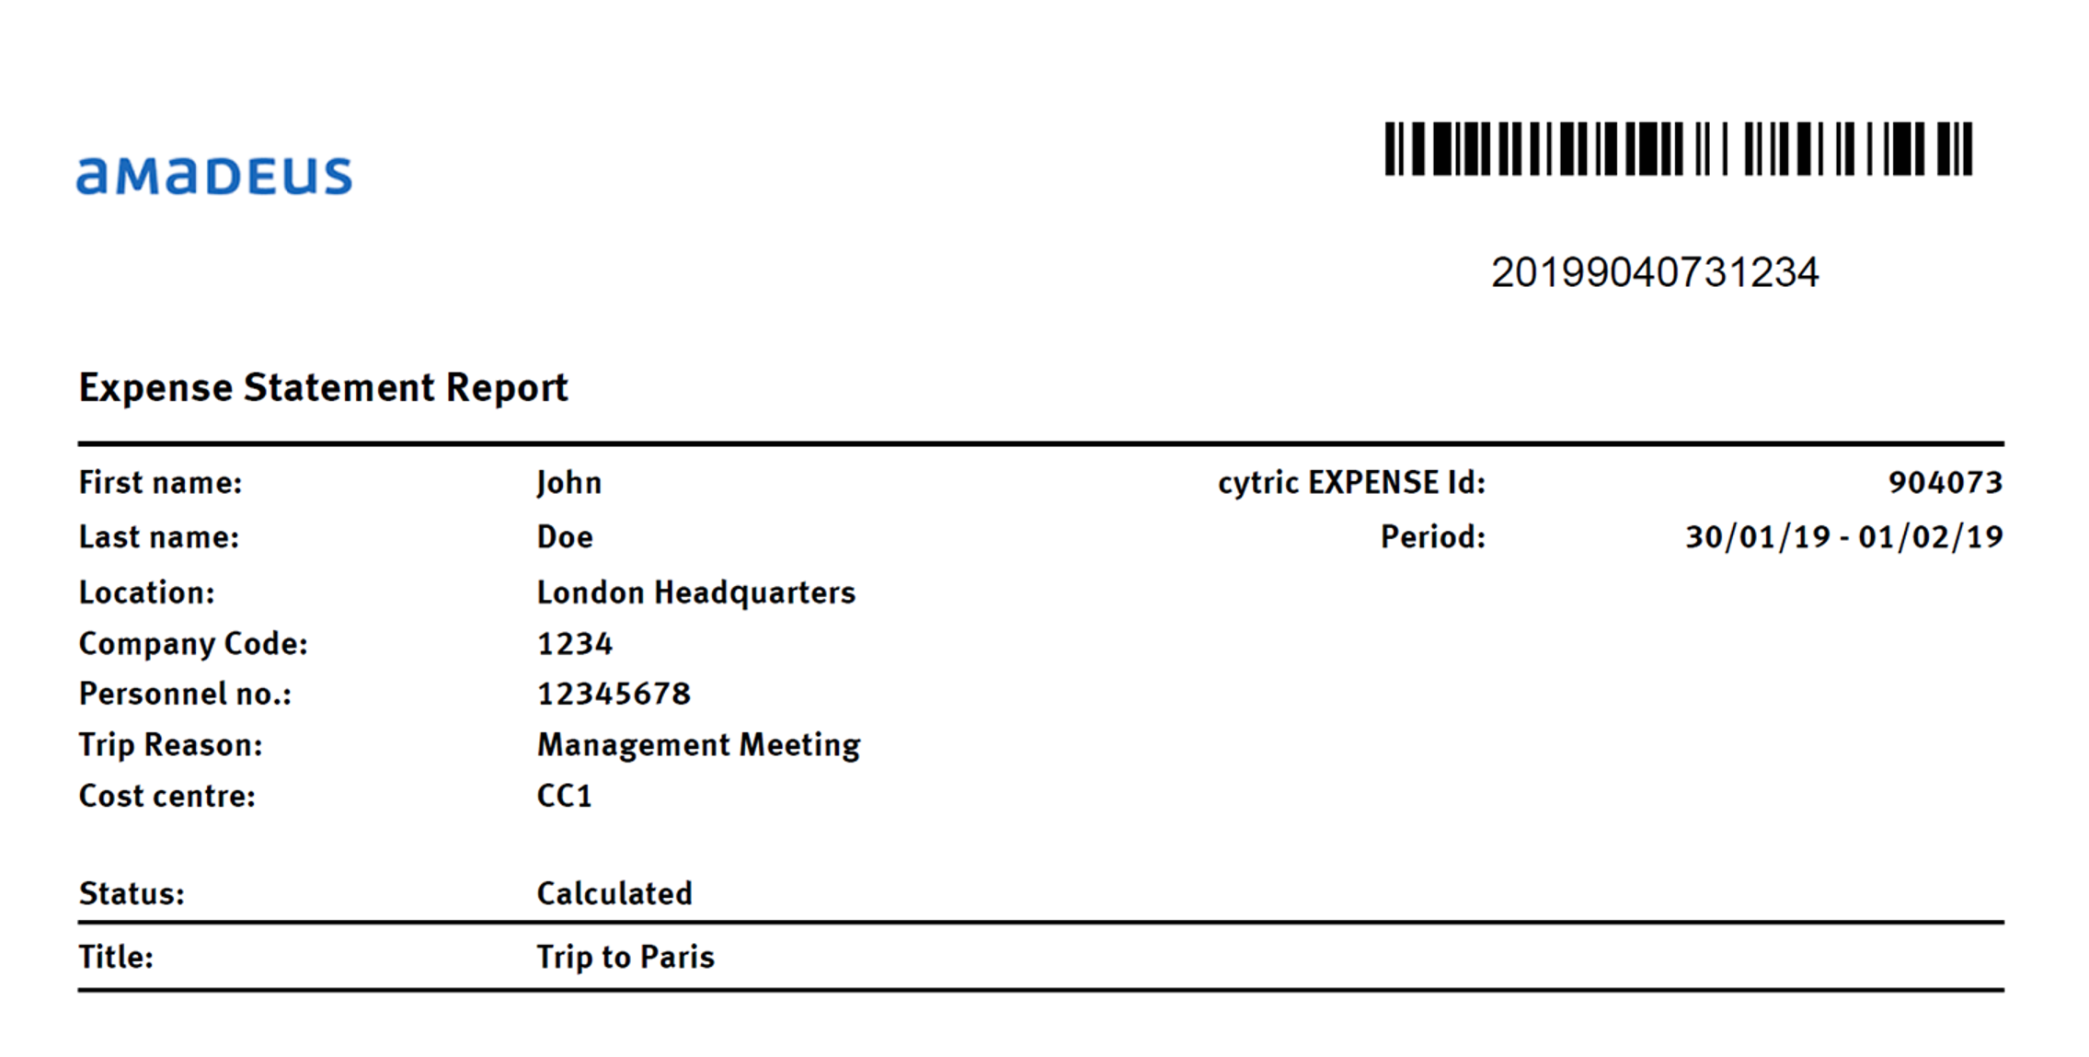
 |  |  |  |  | Please specify

Standard Reports
BACK
 |  | STANDARD REPORTS
In case you choose cytric Expense Reporting suite, then you would have the below list of reports supported for expense.

 | REPORT NAME |  | DESCRIPTION
 | Reports with fiscal or legal purpose
 | E003 – Aggregated Income-Related Expenses |  | It displays all per diems, allowances, mileage claims with 2 amounts: tax free / statutory and paid / actual. Tax free or statutory represents the reimbursement amount allowed by the fiscal rules of the country. On these amounts no tax is due. Paid or actual represents the actual reimbursement to the traveler, according to the company rule. This report is targeted to the accountant so that he can have a global view of the situation for all travelers in his company.
 | E010 – Income-related Expense Report |  | It is the same report targeted to the traveler only. With this report the traveler knows whether he has to declare some reimbursements to its tax authorities as additional revenue. Since most users do not have access to cytric Enterprise Reporting, they can access to this report in their cytric Expense home page, under the personal report section: Income-Related Expenses.
 | E004 – German Statutory Meal report |  | This report is for the German tax authorities. It lists all travelers having got at least one free meal. Such travelers are flagged with the letter “M” in the Wage tax card code column.
 | E004 – German Statutory Meal report |  | This report shows all the reimbursed mileage claims for all vehicle types or category. It can be useful to all customers and countries, but in France this report has a particular usage as it is needed for French tax authorities, to help tax accountants to fill in the declaration form for tax on company vehicles (“Taxe sur les Vehicules de Societe”).
 | Analytical reports - analyze paid amounts and reimbursement process
 | E002 – Expense Statements by stat |  | This report lists all expense statements according to their status, with the assigned user. It helps to evaluate if some approvers, auditors or accountants have a significant backlog of expenses to process!
 | E006 – Expense Transaction Report |  | This report lists all expense statements and provides reimbursed amount versus total amount. It provides as well the number of receipts and absences in each expense statement and displays billing information – the fee code to invoice customers.
 | E008 – Expense by Type of Receipt |  | This report analyzes paid amounts by expense category such as parking, taxi, restaurant… As mileage is not a receipt but an allowance, it is not included into this report. It is covered in the fiscal reports E003 or E009.
 | E005 – Free Data Field Expense Report |  | This report is similar to Expense Transaction Report but provides in addition analysis per free data field, for instance cost center. Warning: when running the report you can select only one free data field for the analysis. If you want to analyze expenses on several free data fields (for instance cost center and project code), you have to run several times the report, selecting each time the free data field you want to display
 | Travel and expense report
 | E007 – Bookings and Expenses report |  | It is the only report that displays side by side booking and expense statements, with the link between both. This report is very rich and contains a lot of information, and it is the report enabling to know the total cost of trip, including booking and travel expense. It is possible as well to retrieve bookings that do not have linked expense statements. This is useful to easily check if all trips have been properly included in expense statements.
 | Extract report
 | E020 – cytric Expense Statement data CSV report |  | This report is very often used by customers to extract data out of cytric Expense and analyze it in Excel or more powerful databases. It is delivered only as a flat CSV file. The report is quite complex and provides detailed information per expense statement, traveler, dates, locations, receipts, per diem and mileage, as well as free data field information.
 | E021-cytric Expense Statement data XML report |  | This report would enable to extract a batch of expense statements in XML format in order to integrate into a Business Intelligence database.

System Help Text
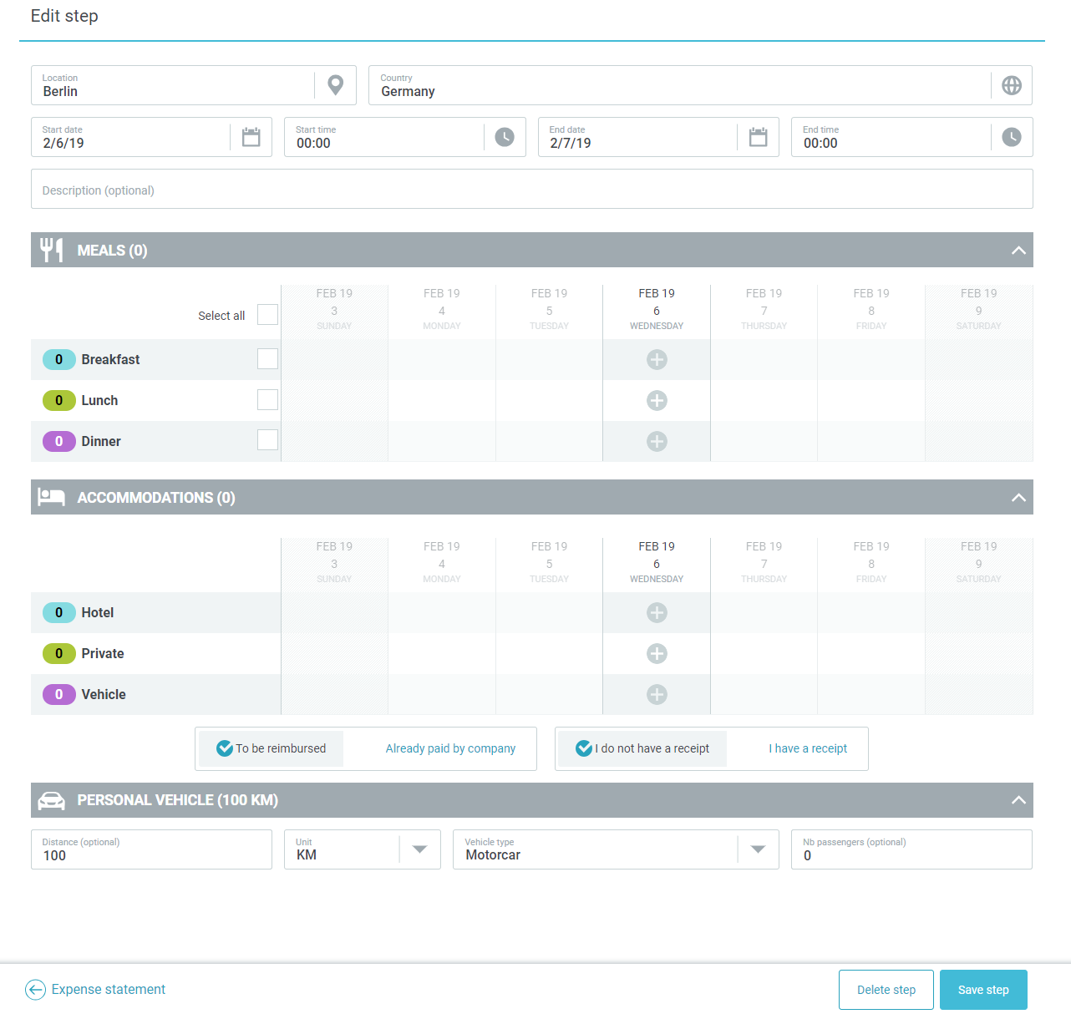
BACK
 |  | HOMEWORK 10 | SYSTEM HELP TEXT
Help Text is an informative text which can be placed in different sections of the page. Please define the section of the help text, the translation if needed, the position in the page and to whom should be visible for up to 4 help texts. For first and last two columns there are pre-defined options

 | Section | Help Text | Help Text Translation | Position | Viewed by
 | Expense Statement
 | Expense Statement
 | Expense Statement

 | Expense Statement
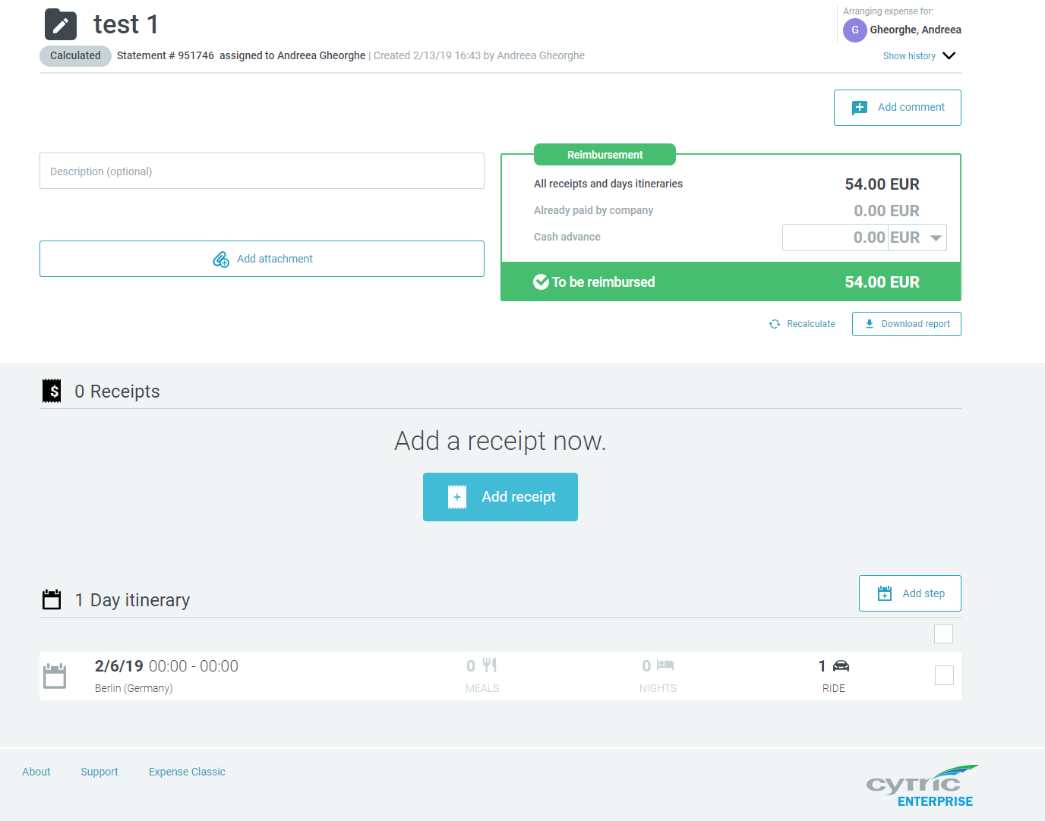

 | Receipt type level
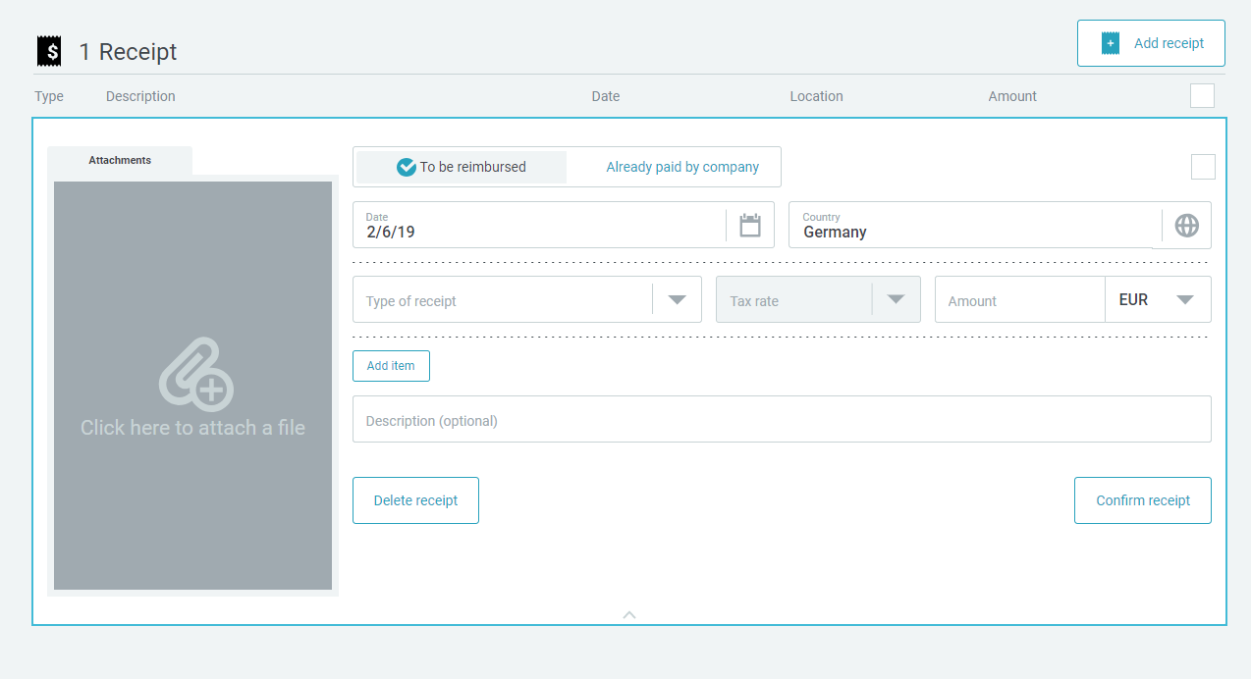

 | Itinerary step level

